Grazing School Checklist
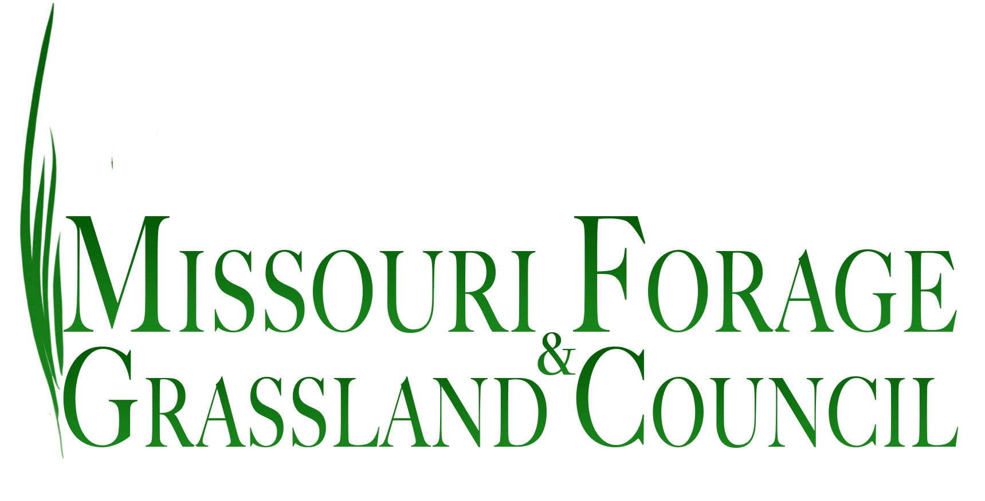
MFGC/NatGLC GRAZING SCHOOL REPORT

Name of School
Region
County
Invoice (Name & Address)
Coordinator(s)
Billing Email
Dates of School
Grazing Manuals Used
Forage & Weed Manuals
Grazing Sticks
Educational Fees

Checklist of items sent to MFGC for reporting -
Please mark off each item completed (click once to check the box)
List of final participants with complete addresses who attended the entire grazing school

Registrants attending together as one entity on list have been identified

Full list of instructors with title and agency identified

Agenda (either scan brochure or provide a typed copy)

Evaluations compiled and entered on spreadsheet
Submit to regional coordinators for forwarding to MFGC/NatGLC

Summary of materials used

